Scandi Financial Statements
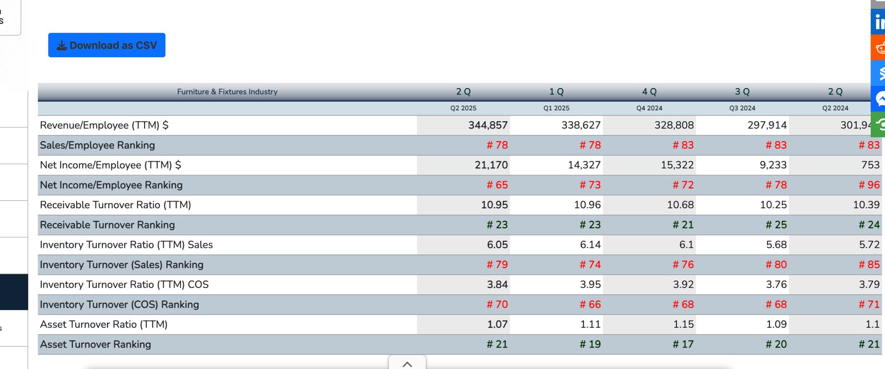
Income Statements
 | 2022 | 2023 | 2024 | Liquidity Ratios:
Net Sales | $1,300,000 | $1,500,000 | $1,800,000 |  | 2023 | 2024 | Change | Industry | Source
Cost of Goods Sold | 780,000 | 900,000 | 1,260,000 | Current Ratio | 2.424 | 2.185 | -9.88% | 1.88 | ReadyRatios
Gross Profit | 520,000 | 600,000 | 540,000 | Quick Ratio | 0.909 | 0.833 | -8.33% | 0.89 | ReadyRatios
Marketing | 130,000 | 150,000 | 200,000 | NWC-to-Total-Assets | 0.392 | 0.358 | -8.64%
General & Administrative | 150,000 | 150,000 | 200,000
Depreciation | 40,000 | 53,000 | 60,000 | Cash Conversion Cycle (in Days):
EBIT | 200,000 | 247,000 | 80,000 |  | 2023 | 2024 | Change | Industry | Source
Interest | 45,000 | 57,000 | 70,000 | Inventory-to-Sale | 193 | 159 | -17.29% | 62 | CSIMarket
Earnings Before Taxes | 155,000 | 190,000 | 10,000 | Sale-to-Cash | 56 | 63 | 12.32% | 35 | CSIMarket
Income Taxes (21%) | 32,550 | 39,900 | 2,100 | Purchase-to-Payment | 85 | 72 | -14.97%
Net Income | $122,450 | $150,100 | $7,900 | Cash Conversion Cycle | 163 | 150 | -8.37%
Cash Dividends |  | $74,000 |  | Operating Cycle | 249 | 222 | -10.63%
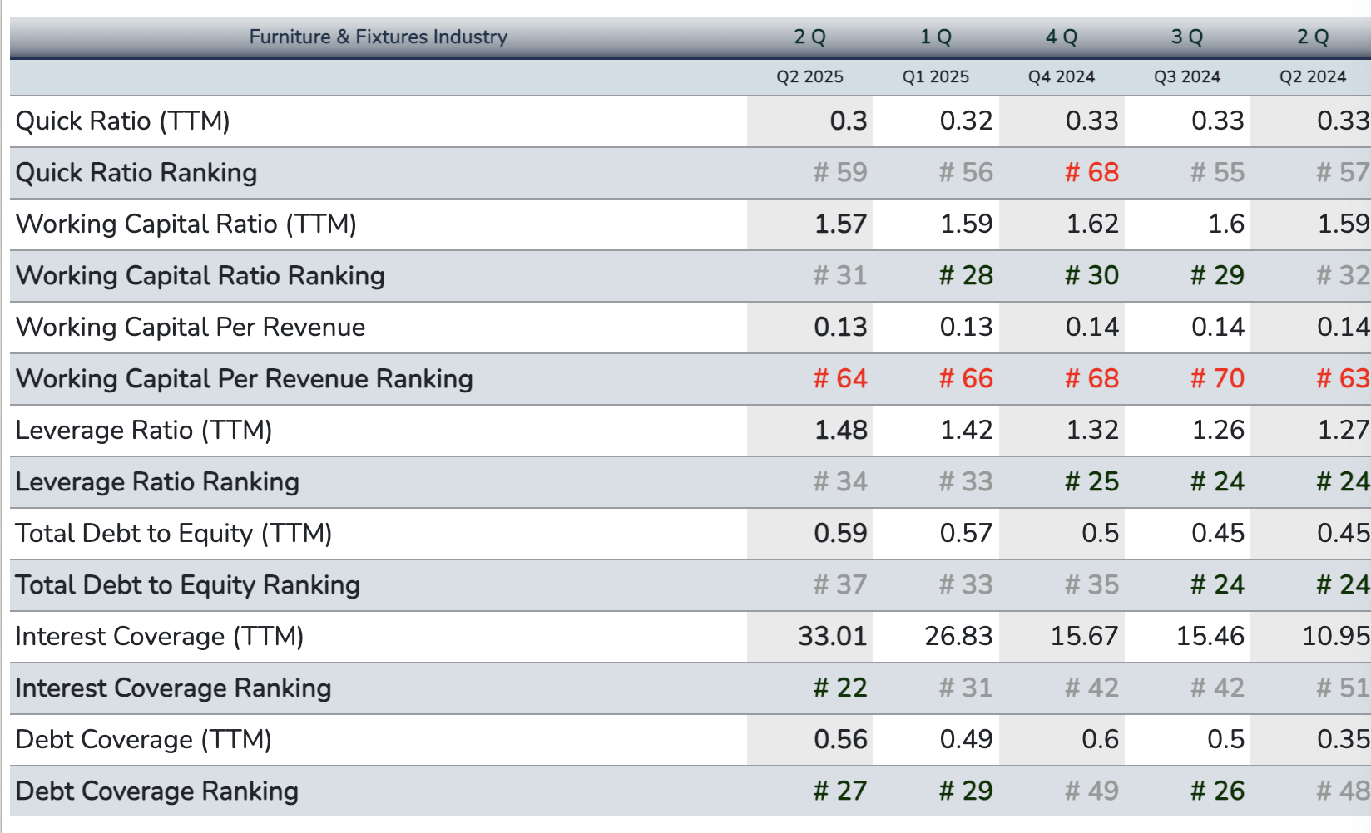
Balance Sheets |  |  |  | Cash Build Versus Cash Burn:
 | 2022 | 2023 | 2024 |  | 2023 | 2024 | Change
Cash | $50,000 | $40,000 | $10,000 | Cash Build:
Accounts Receivables | 200,000 | 260,000 | 360,000 | Net Sales | $1,500,000 | $1,800,000 | 20.00%
Inventories | 450,000 | 500,000 | 600,000 | Increase in Receivables (negative effect) | -60,000 | -100,000 | 66.67%
Total Current Assets | 700,000 | 800,000 | 970,000 | Cash Build | 1,440,000 | 1,700,000 | 18.06%
Fixed Assets, Net | 300,000 | 400,000 | 500,000
Total Assets | $1,000,000 | $1,200,000 | $1,470,000 | Cash Burn:
Accounts Payable | $130,000 | $170,000 | $180,000 | Cost of Goods Sold | ($900,000) | ($1,260,000) | 40.00%
Accruals | 50,000 | 70,000 | 80,000 | Marketing | -150,000 | -200,000 | 33.33%
Bank Loan | 90,000 | 90,000 | 184,000 | General & Admin. | -150,000 | -200,000 | 33.33%
Total Current Liabilities | 270,000 | 330,000 | 444,000 | Interest | -57,000 | -70,000 | 22.81%
Long-Term Debt | 300,000 | 400,000 | 550,000 | Income Taxes | -39,900 | -2,100 | -94.74%
Common Stock Issued | 350,000 | 350,000 | 350,000 | Cash Burn from Inc. Stmt. | -1,296,900 | -1,732,100 | 33.56%
Retained Earnings | 80,000 | 120,000 | 126,000 | Increase in Inventories | -50,000 | -100,000 | 100.00%
Total Liab. & Equity | $1,000,000 | $1,200,000 | $1,470,000 | - Change in Payables | 40,000 | 10,000 | -75.00%
 |  |  |  | - Change in Accrued Liab. | 20,000 | 10,000 | -50.00%
 |  |  |  | Increase in Fixed Assets, Net | -100,000 | -100,000 | 0.00%
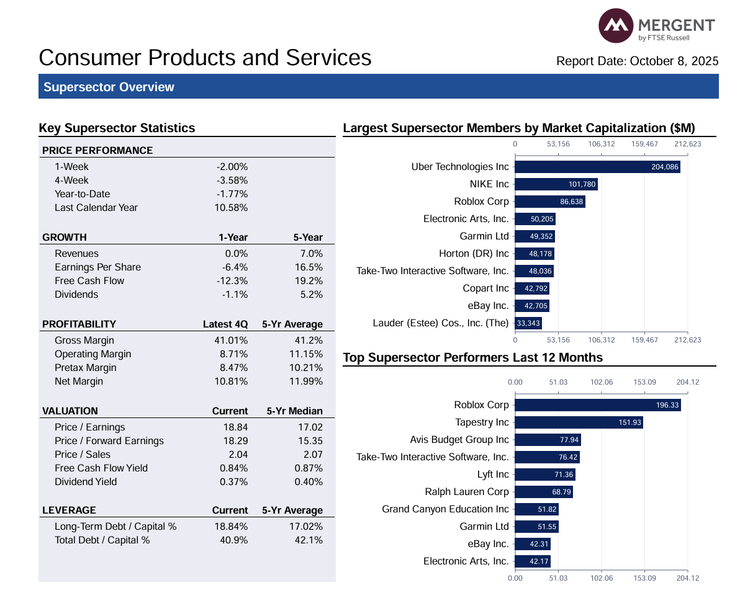
 |  |  |  | Depreciation | -53,000 | -60,000 | 13.21%
 |  |  |  | Inc. in Gross Fixed Assets | -153,000 | -160,000 | 4.58%
 |  |  |  | Cash Burn | ($1,439,900) | ($1,972,100) | 36.96%
 |  |  |  | Net Cash Build (Burn) | $100 | ($272,100) | -27220000.00% | abnormal change

 |  |  |  | Financial Leverage:
 |  |  |  |  | 2023 | 2024 | Change | Industry | Source
 |  |  |  | Total-Debt-to-Total-Assets | 0.6083 | 0.6762 | 11.15% | 40.90% | MarketAtlas
 |  |  |  | Equity Multiplier | 2.5532 | 3.0882 | 20.96%
 |  |  |  | Debt-to-Equity Ratio | 1.5532 | 2.0882 | 34.45% | 0.4925 | CSIMarket
 |  |  |  | Current-Liab.-to-Total Debt | 0.4521 | 0.4467 | -1.19%
 |  |  |  | Interest Coverage | 4.3333 | 1.1429 | -73.63% | 17.2275 | CSIMarket

 |  |  |  | Profitability Ratios:
 |  |  |  |  | 2023 | 2024 | Change | Industry | Source
 |  |  |  | Gross Profit Margin | 40.00% | 30.00% | -25.00% | 41.01% | MarketAtlas
 |  |  |  | Operating Profit Margin | 16.47% | 4.44% | -73.01% | 8.71% | MarketAtlas
 |  |  |  | Net Profit Margin | 10.01% | 0.44% | -95.61% | 10.81% | MarketAtlas
 |  |  |  | NOPAT Margin | 13.01% | 3.51% | -73.01%

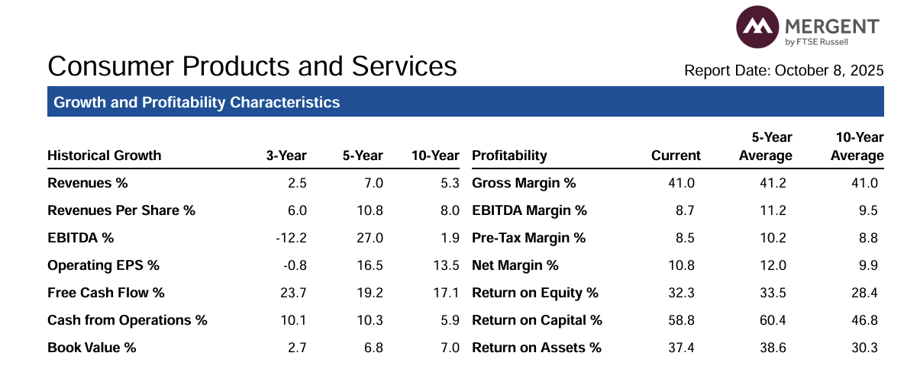
 |  |  |  | Efficiency and Return Ratios:
 |  |  |  |  | 2023 | 2024 | Change | Industry | Source
 |  |  |  | Sales-to-Total-Assets | 1.2500 | 1.2245 | -2.04% | 1.105 | CSIMarket
 |  |  |  | Operating Return on Assets | 16.26% | 4.30% | -73.56%
 |  |  |  | Return on Assets (ROA) | 12.51% | 0.54% | -95.70% | 37.40% | MarketAtlas
 |  |  |  | Return on Equity (ROE) | 31.94% | 1.66% | -94.80% | 32.30% | MarketAtlas

